Input
Hale Wharf Block C
Wind Calculation to BS EN 1991-1-4 + NA
Reference: Manual for the design of building structures to Eurocode 1 by "The Institution of Structural Engineers"
 |  |  |  |  |  |  |  |  |  |  |  |  |  | Ref.
Map wind speed, Vmap | 21.57 |  |  |  |  |  |  |  |  |  |  |  | m/s | Fig 6.3 of I-StructE document
Height of Building, h | 36.6 |  |  |  |  |  |  |  |  |  |  |  | m | REVIT model
Site altitude, A | 10 |  |  |  |  |  |  |  |  |  |  |  | m | Google
Altitude factor, Calt | 1.009 |  |  |  |  |  |  |  |  |  |  |  |  | section 6.4.2 of I-StructE document
Building Orientation from True North (Anti-CW) | 245 degrees |  |  |  |  |  |  |  |  |  |  |  |  | From revit survey
Sector | S2 | S3 | S4 | S5 | S6 | S7 | S8 | S9 | S10 | S11 | S12 | S1 |  | Sector names for calculation reference
Distance to shoreline | 28 | 13 | 88 | 100 | 100 | 100 | 100 | 100 | 100 | 100 | 54 | 69 | km | Refer "building orientation" tab
Distance into town | 0 | 0 | 0 | 0 | 0 | 0 | 0 | 0 | 0 | 0 | 0 | 0 | km
Cseason | 1.0 |  |  |  |  |  |  |  |  |  |  |  |  | Permanent structure
Cprobability | 1.000 |  |  |  |  |  |  |  |  |  |  |  |  | section 6.4.2 of I-StructE document (50 years)
Design wind direction | Wind 115 | Wind 145 | Wind 175 | Wind 205 | Wind 235 | Wind 265 | Wind 295 | Wind 325 | Wind 355 | Wind 25 | Wind 55 | Wind 85 |  | Table 6.1 of I-StructE document.
Directional factor, Cdir | 0.75 | 0.82 | 0.88 | 0.96 | 1.00 | 1.00 | 0.97 | 0.88 | 0.81 | 0.77 | 0.73 | 0.74

vb | 16.31 | 17.84 | 19.14 | 20.88 | 21.75 | 21.75 | 21.10 | 19.14 | 17.62 | 16.75 | 15.88 | 16.10 | m/s | Vb= Cdir Cseasn Cprob Calt Vbmap
qb | 163.13 | 195.01 | 224.59 | 267.28 | 290.01 | 290.01 | 272.87 | 224.59 | 190.28 | 171.95 | 154.55 | 158.81 | N/m2 | qb= 0.613Vb2

b | 34.55 | 37.03 | 29.79 | 15.03 | 29.80 | 37.03 | 34.55 | 37.03 | 29.79 | 15.03 | 29.80 | 37.03 | m | Width of projected area (b)
h | 36.60 | 36.60 | 36.60 | 36.60 | 36.60 | 36.60 | 36.60 | 36.60 | 36.60 | 36.60 | 36.60 | 36.60 | m | Building height corresponding to each sector
z1 | 34.55 | 36.60 | 29.79 | 15.03 | 29.80 | 36.60 | 34.55 | 36.60 | 29.79 | 15.03 | 29.80 | 36.60 | m
z2 | 36.60 |  | 36.60 | 21.57 | 36.60 |  | 36.60 |  | 36.60 | 21.57 | 36.60 |  | m
z3 |  |  |  | 36.60 |  |  |  |  |  | 36.60 |  |  | m
d | 14.9 | 35.8 | 47.1 | 45.7 | 47.1 | 35.8 | 14.9 | 35.8 | 47.1 | 45.7 | 47.1 | 35.8 | m | Surface width normal to "b"
have | 0 | 0 | 0 | 0 | 0 | 0 | 0 | 0 | 0 | 0 | 0 | 0 | m | Conservative to ignore future developments
x | 0 | 0 | 0 | 0 | 0 | 0 | 0 | 0 | 0 | 0 | 0 | 0 | m | Refer "building orientation" tab
Displacement Height, hdis | 0 | 0 | 0 | 0 | 0 | 0 | 0 | 0 | 0 | 0 | 0 | 0 | m | section 6.4.4 of I-StructE document
z-hdis (z1) | 34.55 | 36.60 | 29.79 | 15.03 | 29.80 | 36.60 | 34.55 | 36.60 | 29.79 | 15.03 | 29.80 | 36.60 | m
z-hdis (z2) | 36.60 |  | 36.60 | 21.57 | 36.60 |  | 36.60 |  | 36.60 | 21.57 | 36.60 |  | m
z-hdis (z3) |  |  |  | 36.60 |  |  |  |  |  | 36.60 |  |  | m
Exposure factor, Ce(z1) | 3.2552 | 3.3974 | 3.0613 | 2.5963 | 3.0561 | 3.209 | 3.148 | 3.209 | 3.0561 | 2.5963 | 3.0997 | 3.2371
Exposure factor, Ce(z2) | 3.3182 |  | 3.2145 | 2.8406 | 3.209 |  | 3.209 |  | 3.209 | 2.8406 | 3.2548
Exposure factor, Ce(z3) |  |  |  | 3.209 |  |  |  |  |  | 3.209
Correction factor, Ce,T(z1) | 1 | 1 | 1 | 1 | 1 | 1 | 1 | 1 | 1 | 1 | 1 | 1
Correction factor, Ce,T(z2) | 1 |  | 1 | 1 | 1 |  | 1 |  | 1 | 1 | 1
Correction factor, Ce,T(z3) |  |  |  | 1 |  |  |  |  |  | 1

Orography significant? | N | N | N | N | N | N | N | N | N | N | N | N

qp(z1) | 531.0 | 662.5 | 687.5 | 693.9 | 886.3 | 930.7 | 859.0 | 720.7 | 581.5 | 446.4 | 479.1 | 514.1 | N/m2
qp(z2) | 541.3 |  | 721.9 | 759.2 | 930.7 |  | 875.7 |  | 610.6 | 488.4 | 503.0 |  | N/m2
qp(z3) |  |  |  | 857.7 |  |  |  |  |  | 551.8 |  |  | N/m2

h/d | 2.45 | 1.02 | 0.78 | 0.80 | 0.78 | 1.02 | 2.45 | 1.02 | 0.78 | 0.80 | 0.78 | 1.02 |  | ratio of height to depth for each sector
Cpe,10 | 1.21 | 1.10 | 1.05 | 1.05 | 1.05 | 1.10 | 1.21 | 1.10 | 1.05 | 1.05 | 1.05 | 1.10 |  | Table 6.6 of I-StructE document.
C_loc | 0.905 | 0.851 | 0.850 | 0.850 | 0.850 | 0.851 | 0.904 | 0.851 | 0.850 | 0.850 | 0.850 | 0.851 |  | Table 6.5 note of I-StructE guide
cs | 1 | 1 | 1 | 1 | 1 | 1 | 1 | 1 | 1 | 1 | 1 | 1 |  | Size Effect Factor Section 6.6 of Istruct-E guide
cd | 1 | 1 | 1 | 1 | 1 | 1 | 1 | 1 | 1 | 1 | 1 | 1 |  | Damping coefficient = 10%

qp*C_pe*C_loc*cs*cd (z1) | 0.582 | 0.622 | 0.611 | 0.620 | 0.788 | 0.873 | 0.941 | 0.676 | 0.517 | 0.399 | 0.426 | 0.482 | kN/m2 | Net pressure on the building till z1 height
qp*C_pe*C_loc*cs*cd (z2) | 0.593 |  | 0.642 | 0.679 | 0.827 |  | 0.960 |  | 0.543 | 0.437 | 0.447 |  | kN/m2 | Net pressure on the building till z2 height
qp*C_pe*C_loc*cs*cd (z3) |  |  |  | 0.767 |  |  |  |  |  | 0.493 |  |  | kN/m3 | Net pressure on the building till z3 height

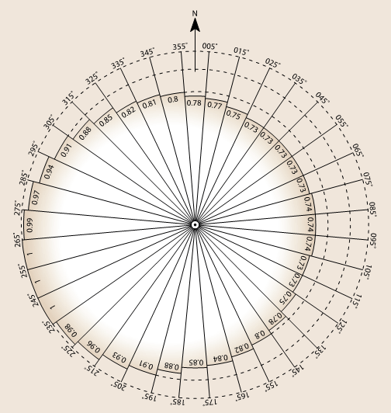
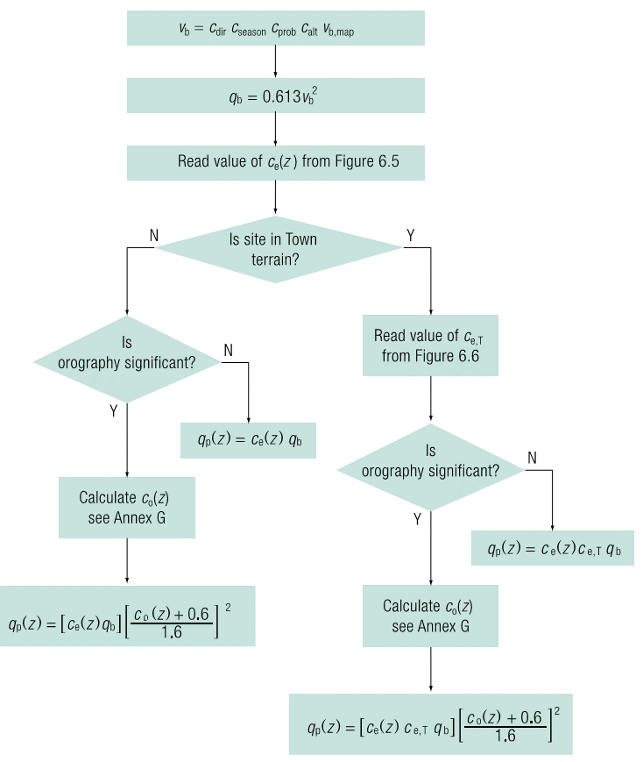
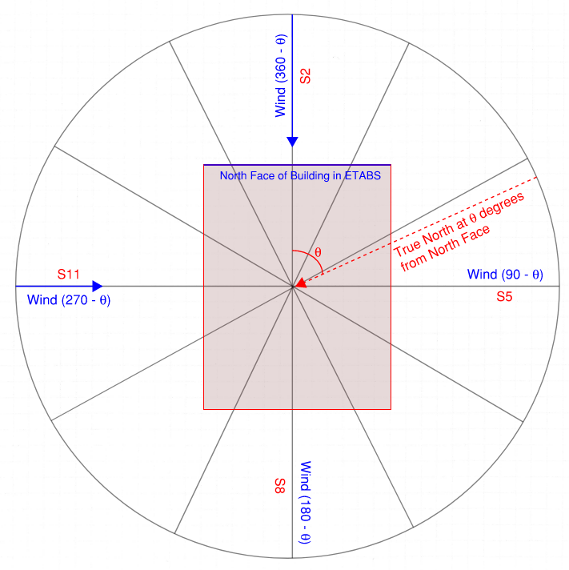

Wind Calculation Flowchart

Building Orientation
Building orientation from True North |  |  | 245 | Anti-CW
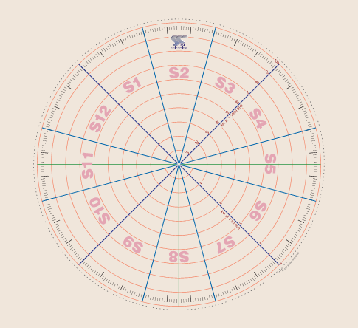
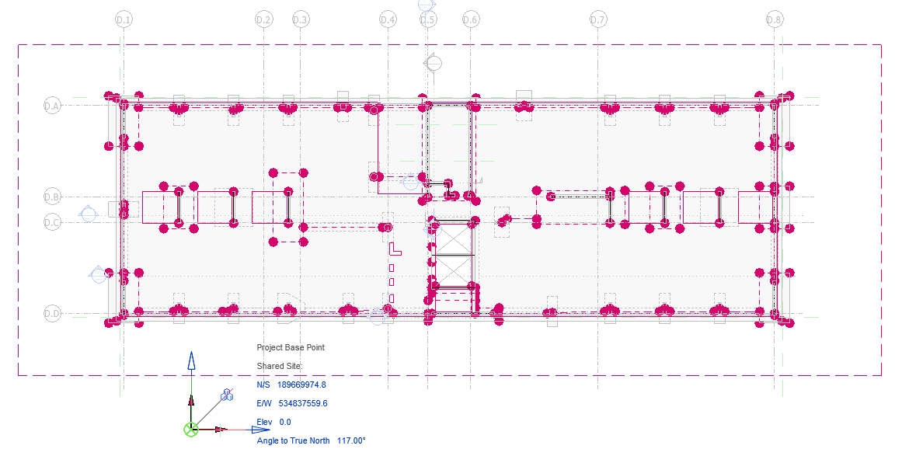

True North

 |  | Inclination of building with North |  |  |  | Survey Data from Revit Model

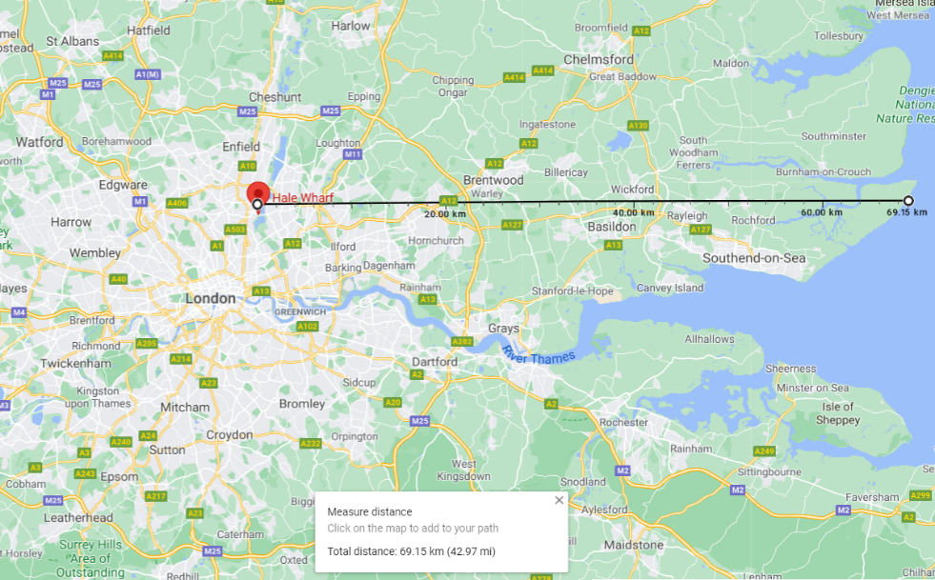
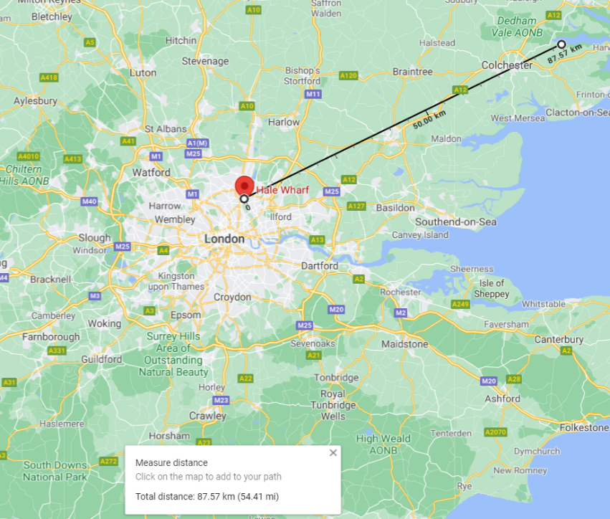
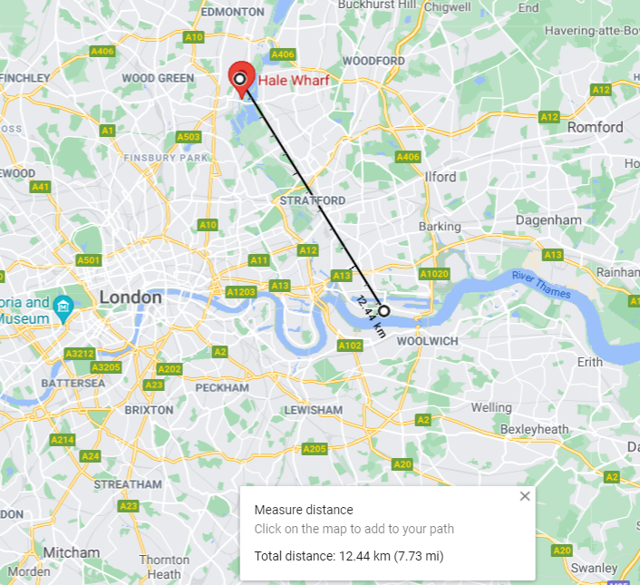

 |  |  |  | Distance to shoreline, Sector 1 (Wind 87) |  |  | Sector 12 (Wind 57) | Sector 3 (Wind 147)

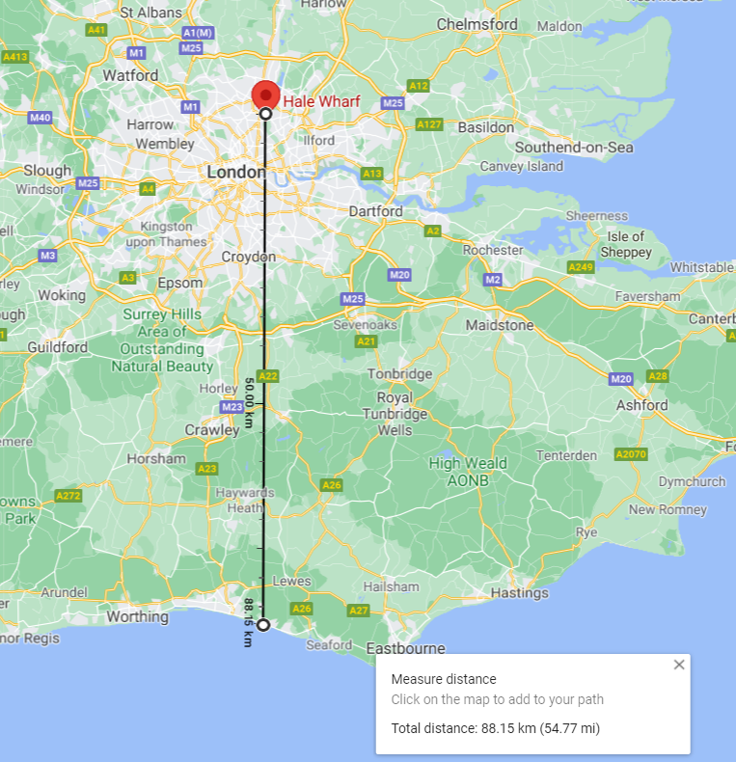

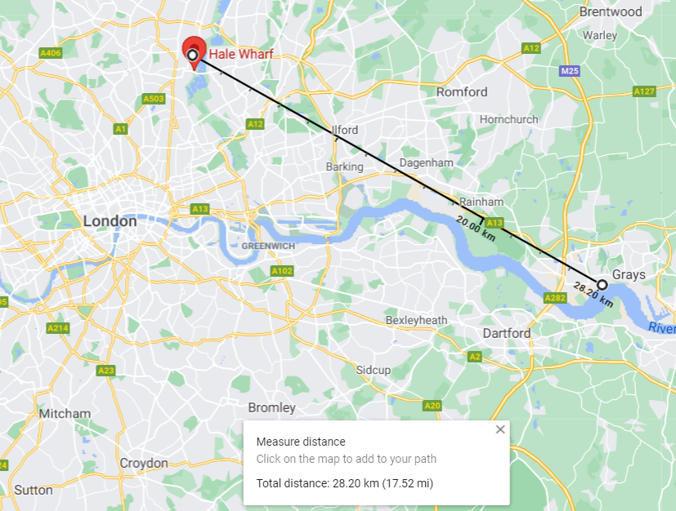

 |  | Sector 2 (Wind 117) |  |  | Sector 4 (Wind 177)

 | * Country Terrain Assumed (Distance into town = 0 km)

Loads
Plot-9 Wind Load Calculations
Wind loads for ETABS
 | Calc Names |  | Wind 115 from Calcs |  |  | Wind 145 from Calcs |  |  | Wind 175 from Calcs |  |  | Wind 205 from Calcs |  |  | Wind 235 from Calcs |  |  | Wind 265 from Calcs |  |  | Wind 295 from Calcs |  |  | Wind 325 from Calcs |  |  | Wind 355 from Calcs |  |  | Wind 25 from Calcs |  |  | Wind 55 from Calcs |  |  | Wind 85 from Calcs
 | ETABS Names |  | Wind 270 |  |  | Wind 240 |  |  | Wind 210 |  |  | Wind 180 |  |  | Wind 150 |  |  | Wind 120 |  |  | Wind 90 |  |  | Wind 60 |  |  | Wind 30 |  |  | Wind 0 |  |  | Wind 330 |  |  | Wind 300
Storey | Elevation | Avg. Ht | Width (m) | kN/m | kN | Width (m) | kN/m | kN | Width (m) | kN/m | kN | Width (m) | kN/m | kN | Width (m) | kN/m | kN | Width (m) | kN/m | kN | Width (m) | kN/m | kN | Width (m) | kN/m | kN | Width (m) | kN/m | kN | Width (m) | kN/m | kN | Width (m) | kN/m | kN | Width (m) | kN/m | kN
Roof | 45 | 0 | 35 | 0.0 | 0 | 37 | 0.0 | 0 | 30 | 0.0 | 0 | 15 | 0.0 | 0 | 30 | 0.0 | 0 | 37 | 0.0 | 0 | 35 | 0.0 | 0 | 37 | 0.0 | 0 | 30 | 0.0 | 0 | 15 | 0.0 | 0 | 30 | 0.0 | 0 | 37 | 0.0 | 0
13 | 45 | 0 | 35 | 0.0 | 0 | 37 | 0.0 | 0 | 30 | 0.0 | 0 | 15 | 0.0 | 0 | 30 | 0.0 | 0 | 37 | 0.0 | 0 | 35 | 0.0 | 0 | 37 | 0.0 | 0 | 30 | 0.0 | 0 | 15 | 0.0 | 0 | 30 | 0.0 | 0 | 37 | 0.0 | 0
12 | 45 | 0 | 35 | 0.0 | 0 | 37 | 0.0 | 0 | 30 | 0.0 | 0 | 15 | 0.0 | 0 | 30 | 0.0 | 0 | 37 | 0.0 | 0 | 35 | 0.0 | 0 | 37 | 0.0 | 0 | 30 | 0.0 | 0 | 15 | 0.0 | 0 | 30 | 0.0 | 0 | 37 | 0.0 | 0
RF | 45 | 1.65 | 35 | 1.0 | 34 | 37 | 1.0 | 38 | 30 | 1.1 | 32 | 15 | 1.3 | 19 | 30 | 1.4 | 41 | 37 | 1.4 | 53 | 35 | 1.6 | 55 | 37 | 1.1 | 41 | 30 | 0.9 | 27 | 15 | 0.8 | 12 | 30 | 0.7 | 22 | 37 | 0.8 | 29
9 Mezz | 41.7 | 3.225 | 35 | 1.9 | 65 | 37 | 2.0 | 74 | 30 | 2.1 | 62 | 15 | 2.5 | 37 | 30 | 2.7 | 79 | 37 | 2.8 | 104 | 35 | 3.0 | 105 | 37 | 2.2 | 81 | 30 | 1.8 | 52 | 15 | 1.6 | 24 | 30 | 1.4 | 43 | 37 | 1.6 | 58
9 | 38.55 | 3.15 | 35 | 1.8 | 63 | 37 | 2.0 | 73 | 30 | 2.0 | 60 | 15 | 2.4 | 36 | 30 | 2.6 | 78 | 37 | 2.8 | 102 | 35 | 3.0 | 102 | 37 | 2.1 | 79 | 30 | 1.7 | 51 | 15 | 1.6 | 23 | 30 | 1.4 | 42 | 37 | 1.5 | 56
8 | 35.4 | 3.15 | 35 | 1.8 | 63 | 37 | 2.0 | 73 | 30 | 1.9 | 57 | 15 | 2.4 | 36 | 30 | 2.5 | 74 | 37 | 2.8 | 102 | 35 | 3.0 | 102 | 37 | 2.1 | 79 | 30 | 1.6 | 49 | 15 | 1.6 | 23 | 30 | 1.3 | 40 | 37 | 1.5 | 56
7 | 32.25 | 3.15 | 35 | 1.8 | 63 | 37 | 2.0 | 73 | 30 | 1.9 | 57 | 15 | 2.4 | 36 | 30 | 2.5 | 74 | 37 | 2.8 | 102 | 35 | 3.0 | 102 | 37 | 2.1 | 79 | 30 | 1.6 | 49 | 15 | 1.6 | 23 | 30 | 1.3 | 40 | 37 | 1.5 | 56
6 | 29.1 | 3.15 | 35 | 1.8 | 63 | 37 | 2.0 | 73 | 30 | 1.9 | 57 | 15 | 2.1 | 32 | 30 | 2.5 | 74 | 37 | 2.8 | 102 | 35 | 3.0 | 102 | 37 | 2.1 | 79 | 30 | 1.6 | 49 | 15 | 1.4 | 21 | 30 | 1.3 | 40 | 37 | 1.5 | 56
5 | 25.95 | 3.15 | 35 | 1.8 | 63 | 37 | 2.0 | 73 | 30 | 1.9 | 57 | 15 | 2.1 | 32 | 30 | 2.5 | 74 | 37 | 2.8 | 102 | 35 | 3.0 | 102 | 37 | 2.1 | 79 | 30 | 1.6 | 49 | 15 | 1.4 | 21 | 30 | 1.3 | 40 | 37 | 1.5 | 56
4 | 22.8 | 3.15 | 35 | 1.8 | 63 | 37 | 2.0 | 73 | 30 | 1.9 | 57 | 15 | 2.0 | 29 | 30 | 2.5 | 74 | 37 | 2.8 | 102 | 35 | 3.0 | 102 | 37 | 2.1 | 79 | 30 | 1.6 | 49 | 15 | 1.3 | 19 | 30 | 1.3 | 40 | 37 | 1.5 | 56
3 | 19.65 | 3.15 | 35 | 1.8 | 63 | 37 | 2.0 | 73 | 30 | 1.9 | 57 | 15 | 2.0 | 29 | 30 | 2.5 | 74 | 37 | 2.8 | 102 | 35 | 3.0 | 102 | 37 | 2.1 | 79 | 30 | 1.6 | 49 | 15 | 1.3 | 19 | 30 | 1.3 | 40 | 37 | 1.5 | 56
2 | 16.5 | 3.15 | 35 | 1.8 | 63 | 37 | 2.0 | 73 | 30 | 1.9 | 57 | 15 | 2.0 | 29 | 30 | 2.5 | 74 | 37 | 2.8 | 102 | 35 | 3.0 | 102 | 37 | 2.1 | 79 | 30 | 1.6 | 49 | 15 | 1.3 | 19 | 30 | 1.3 | 40 | 37 | 1.5 | 56
1 | 13.35 | 6.225 | 35 | 3.6 | 125 | 37 | 3.9 | 143 | 30 | 3.8 | 113 | 15 | 3.9 | 58 | 30 | 4.9 | 146 | 37 | 5.4 | 201 | 35 | 5.9 | 202 | 37 | 4.2 | 156 | 30 | 3.2 | 96 | 15 | 2.5 | 37 | 30 | 2.7 | 79 | 37 | 3.0 | 111
L-00 | 8.7 | -
Total Reaction Force (kN) |  |  |  |  | 697 |  |  | 798 |  |  | 637 |  |  | 356 |  |  | 821 |  |  | 1120 |  |  | 1127 |  |  | 868 |  |  | 538 |  |  | 229 |  |  | 444 |  |  | 619

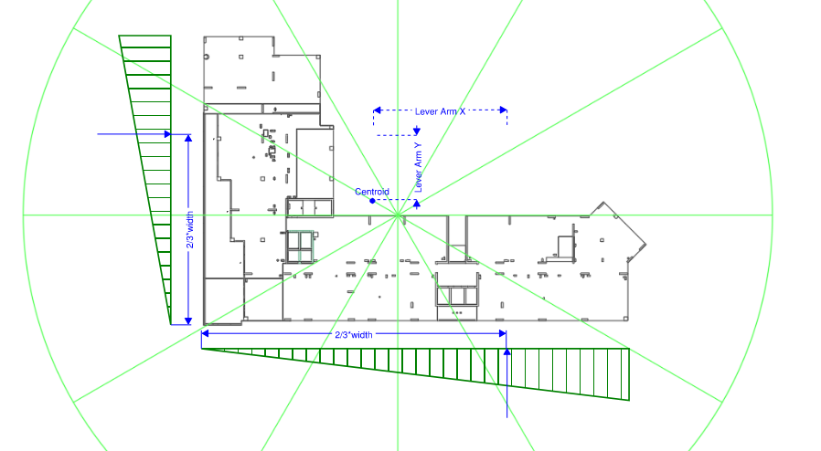
Triangular loads for ETABS |  |  |  |  |  |  |  |  |  |  |  |  | Diaphragm properties
 | Lever Arm X | Lever Arm Y | W-0(T) | W-0(CM) | W-180(T) | W-180(ACM) | W-90(T) | W-90(ACM) | W-270(T) | W-270(CM) |  |  | Centroid X | Centroid Y
Storey | m | m | kN | kN-m | kN | kN-m | kN | kN-m | kN | kN-m |  |  | m | m
Roof | 6 | -3 | 0 | 0 | 0 | 0 | 0 | 0 | 0 | 0 |  |  | 17 | 8
13 | 6 | -3 | 0 | 0 | 0 | 0 | 0 | 0 | 0 | 0 |  |  | 17 | 8
12 | 6 | -3 | 0 | 0 | 0 | 0 | 0 | 0 | 0 | 0 |  |  | 17 | 8
RF | 6 | -3 | 7 | -18 | 10 | -26 | 35 | 202 | 22 | 127 |  |  | 17 | 8
9 Mezz | 6 | -3 | 13 | -33 | 20 | -51 | 69 | 398 | 43 | 248 |  |  | 17 | 8
9 | 6 | 3 | 13 | 33 | 20 | 51 | 67 | 386 | 42 | 242 |  |  | 17 | 8
8 | 6 | 3 | 13 | 33 | 20 | 51 | 67 | 386 | 42 | 242 |  |  | 17 | 8
7 | 6 | 3 | 13 | 33 | 20 | 51 | 67 | 386 | 42 | 242 |  |  | 17 | 8
6 | 6 | 3 | 13 | 33 | 20 | 51 | 67 | 386 | 42 | 242 |  |  | 17 | 8
5 | 6 | 3 | 13 | 33 | 20 | 51 | 67 | 386 | 42 | 242 |  |  | 17 | 8
4 | 6 | 3 | 13 | 33 | 20 | 51 | 67 | 386 | 42 | 242 |  |  | 17 | 8
3 | 6 | 3 | 13 | 33 | 20 | 51 | 67 | 386 | 42 | 242 |  |  | 17 | 8
2 | 6 | 3 | 13 | 33 | 20 | 51 | 67 | 386 | 42 | 242 |  |  | 17 | 8
1 | 6 | 3 | 25 | 63 | 38 | 96 | 132 | 761 | 82 | 472 |  |  | 17 | 8
L-00
 |  |  | 142 | 294 | 218 | 453 | 737 | 4247 | 461 | 2655

*Triangular load direction??

